Heat Pump Calculator
Pool Heating Cost Calculator
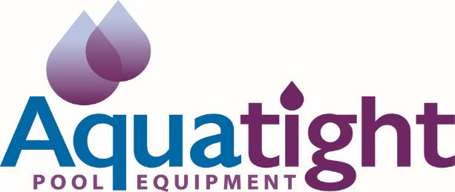

 | Heating Requirements

 |  | Your Location | Perth |  |  |  |  | Full Year |  | Extended |  | Solar
 |  |  |  |  |  |  | Full Year Heating (12 Mths) |  | Extended Season (9 Mths) |  | Solar Equivalent ( 6 Mths)
 |  | Pool Dimensions
 |  | Average Length | 15.0 | (Metres) | Month | Season | No Cover | With Cover | No Cover | With Cover | No Cover | With Cover
 |  | Average Width |  | (Metres) | Jan | SUMMER | $51 | $39 | $51 | $39 | $51 | $39
 |  | Average Depth | 1.2 | (Metres) | Feb |  | $46 | $35 | $46 | $35 | $46 | $35
 |  |  |  |  | March | AUTUMN | $118 | $91 | $118 | $91 | $118 | $91
 |  | Your Pool Capacity Is | - | (Litres) | April |  | $115 | $88 | $115 | $88
 |  |  |  |  | May |  | $118 | $91 | $118 | $91
 |  | Desired Pool Temperature | 28 |  | June | WINTER | $180 | $139
 |  |  |  |  | July |  | $186 | $143
 |  | Pool Cover | Yes |  | Aug |  | $186 | $143 |  |  |  |  | .
 |  |  |  |  | Sept | SPRING | $115 | $88 | $115 | $88
 |  | Desired Heating Season | All Year Round (12 Months) |  | Oct |  | $118 | $91 | $118 | $91 | $118 | $91
 |  |  |  |  | Nov |  | $115 | $88 | $115 | $88 | $115 | $88
 |  | Power Cost | 30 | (Cents per KW Hour - from your latest power bill) | Dec | SUMMER | $50.78 | $39 | $50.78 | $39 | $50.78 | $39

 |  |  |  |  | Total Estimated Annual Running Cost
 |  |  |  |  | Standard Model |  | $1,399 | $1,076 | $847 | $651 | $499 | $384
 | Heater Capacity |  |  |  | Inverter Model |  | $840 | $646 | $508 | $391 | $299 | $230
 |  | Recommended Heater
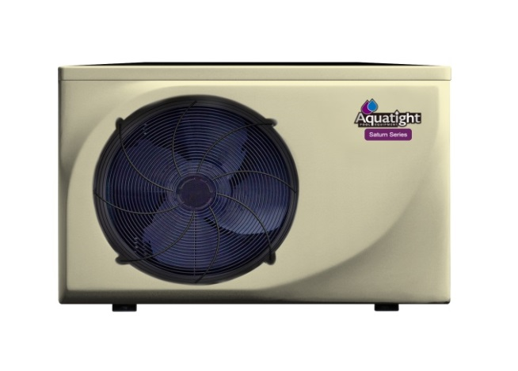
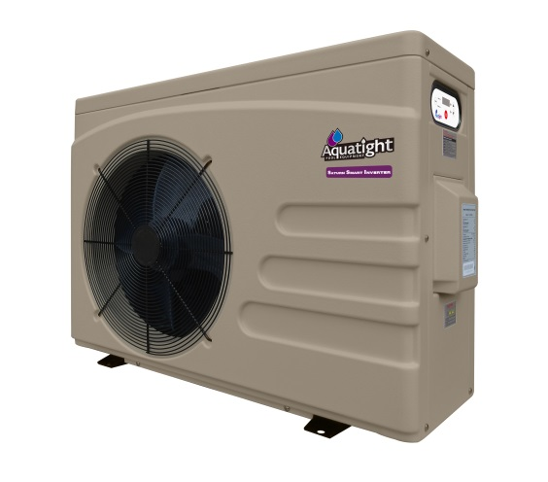
 |  | Aquatight Saturn Inverter Model iX09

 |  | Upgrade Heater To

 |  | None

 | Cost Results
 |  | Estimated Annual Cost
 |  | With Inverter | $646 | (Per Annum)
 |  | Without Inverter | $1,076 | (Per Annum)

The values indicated are valid under ideal conditions and for a standard basic domestic pool. Pool should be covered with an isothermal cover and the heater running for the required hours per day during the hottest part of the day. Waterfalls and other pool features will effect these figures.
The above data is subject to modification without notice

© 2017 Aquatight
Developed by SolVu Consulting

